Temple - LOAD settings
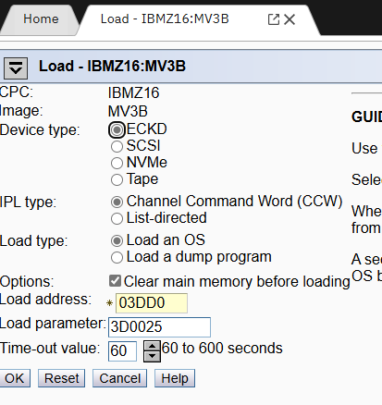
EMER:
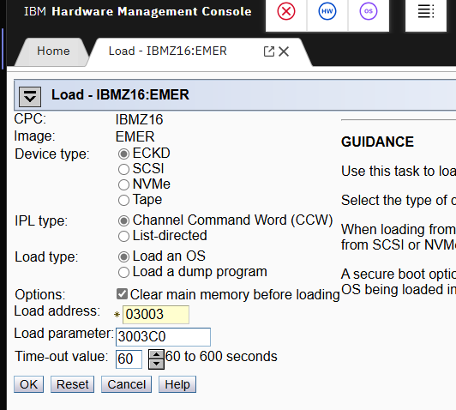

JESB/A/C
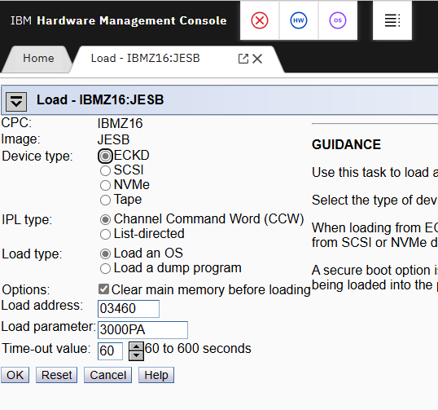

MV3B/A/C

Temple HMC-SE Info
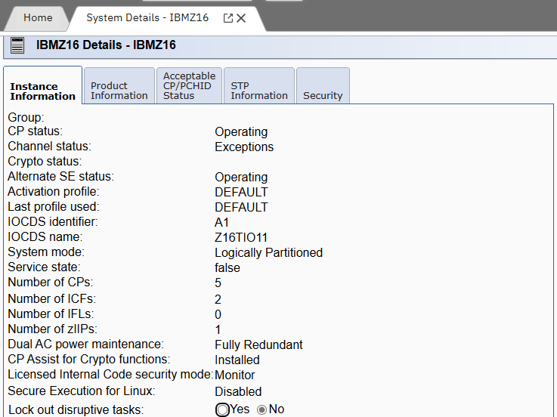
d ios,config
D IOS,CONFIG
IOS506I 09.00.50 I/O CONFIG DATA 305
ACTIVE IODF DATA SET = SYS2.IODF11
CONFIGURATION ID = PROD EDT ID = 00
TOKEN: PROCESSOR DATE TIME DESCRIPTION
SOURCE: CP3932A 24-08-21 16:08:44 SYS2 IODF11
ACTIVE CSS: 0 SUBCHANNEL SETS CONFIGURED: 0, 1, 2
CHANNEL MEASUREMENT BLOCK FACILITY IS ACTIVE
SUBCHANNEL SET FOR PPRC PRIMARY: INITIAL = 0 ACTIVE | = | 0
HYPERSWAP FAILOVER HAS OCCURRED: NO
LOCAL SYSTEM NAME (LSYSTEM): P00AF008

Currently using Z16TIO11
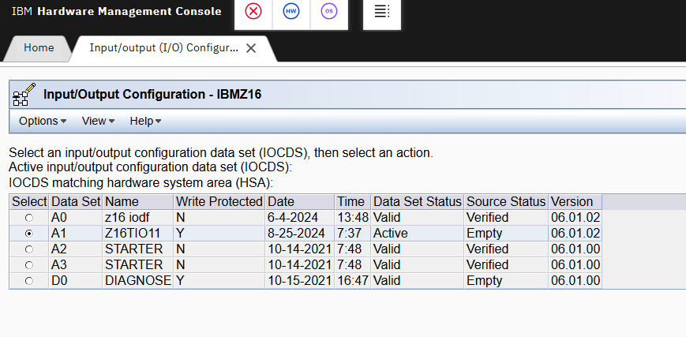

LPAR Settings | Log Proc Assignment | Weight | Proc Init | Proc Res | Storage GB | ZIIP Init | ZIIP Res
XCFB00 | Not Dedicated ICF | 900 | 1 | 1 | 16 | n/a | n/a
XCFA00 | Not Dedicated ICF | 900 | 1 | 1 | 14 | n/a | n/a
XCFB01 | Not Dedicated ICF | 100 | 1 | 1 | 6 | n/a | n/a
XCFA01 | Not Dedicated ICF | 100 | 1 | 1 | 6 | n/a | n/a
JESB | Unchek Dedicated proc | 120 | 3 | 1 | 27 | 0 | 1
JESA | Unchek Dedicated proc | 140 | 4 | 1 | 25 | 0 | 1
JESC | Unchek Dedicated proc | 18 | 2 | 0 | 10 | 0 | 1
MV3B | Unchek Dedicated proc | 8 | 1 | 1 | 6 | 0 | 1
MV3A | Unchek Dedicated proc | 4 | 1 | 1 | 6 | 0 | 1
MV3C | Unchek Dedicated proc | 2 | 1 | 1 | 6 | 0 | 1
EMER | Unchek Dedicated proc | 3 | 1 | 1 | 6 | 0 | 0

Temple HMC LPAR Values
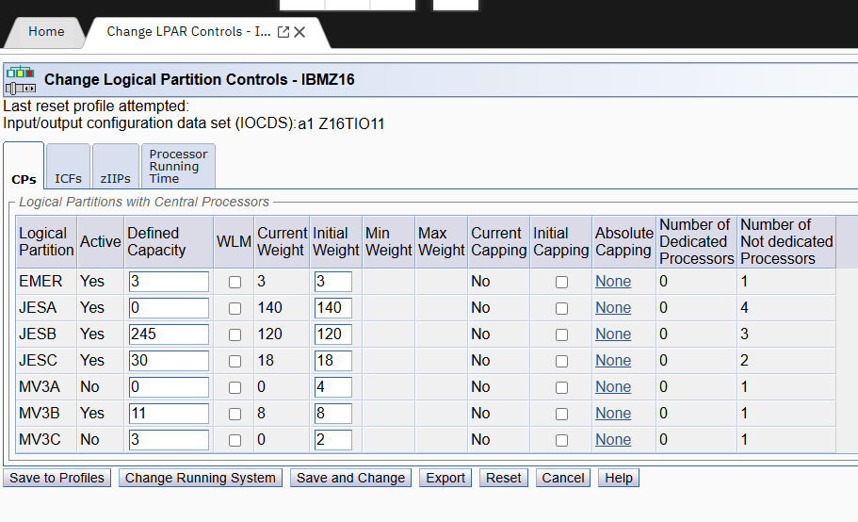
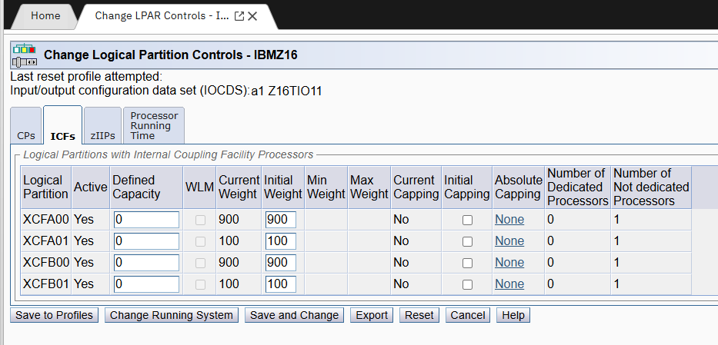
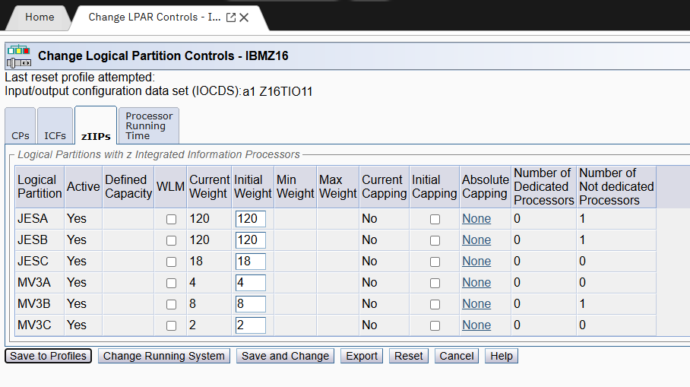
LPAR Group Controls
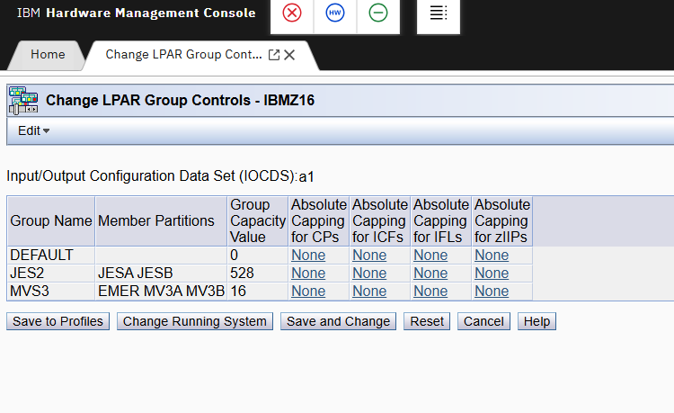

LPAR Controls

COLO - LOAD Settings (SNAP)
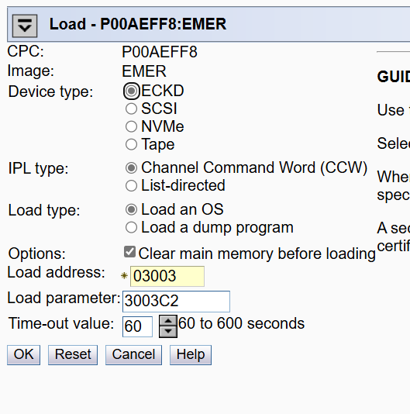
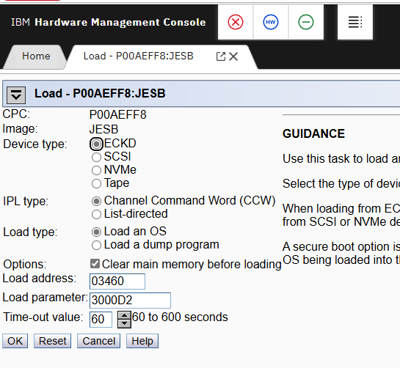
JESB - Disaster (no CTO or RRS by default)

JESA/C and JESB if failover (CTO and RRS auto start, GRS=STAR)
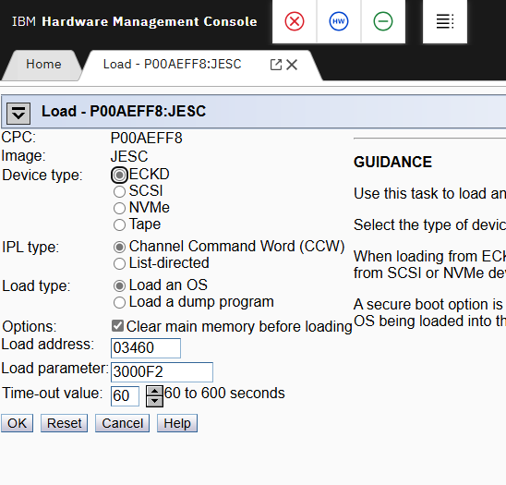

EMER (SNAP)

COLO - Load Settings (R2)
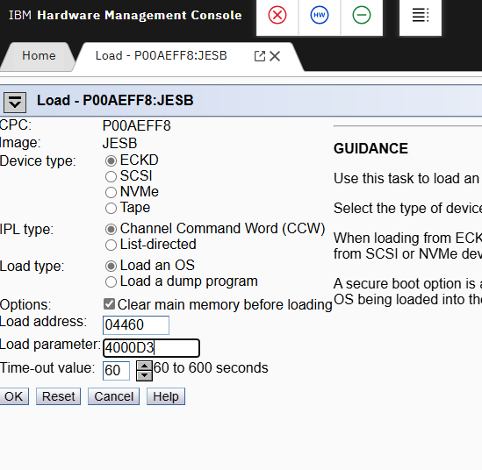
EMER
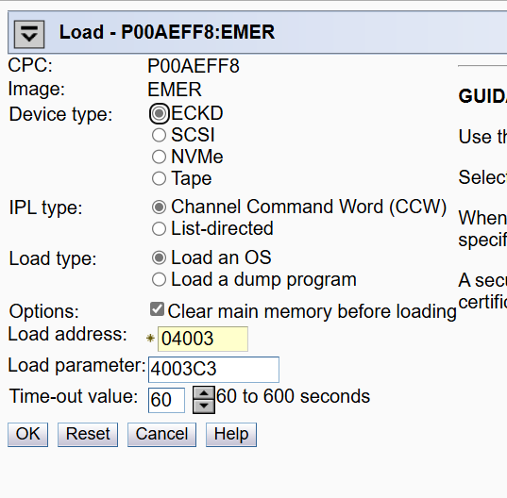

JESA/JESC and JESB Failover (Control-O and RRS auto start, grs=star) -- Use this on a normal siteswap
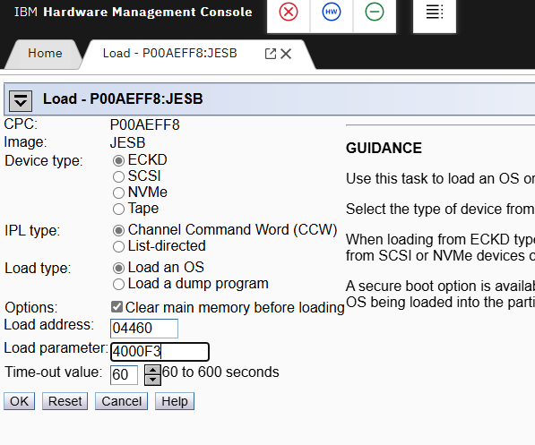

JESB Disaster Recovery (Control-O and RRS don't start, GRS=TRYJOIN)

IE234E valid
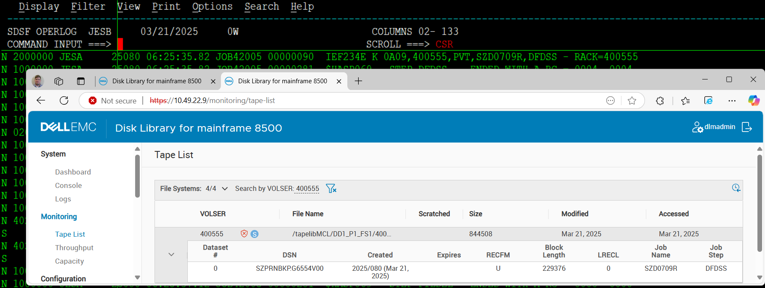
Find the last IE234E in the log and query the volume in COLO. It should reflect the same job.

https://10.40.22.17/login | Temple
https://10.49.22.9/ | CoLo

COLO LPAR Values
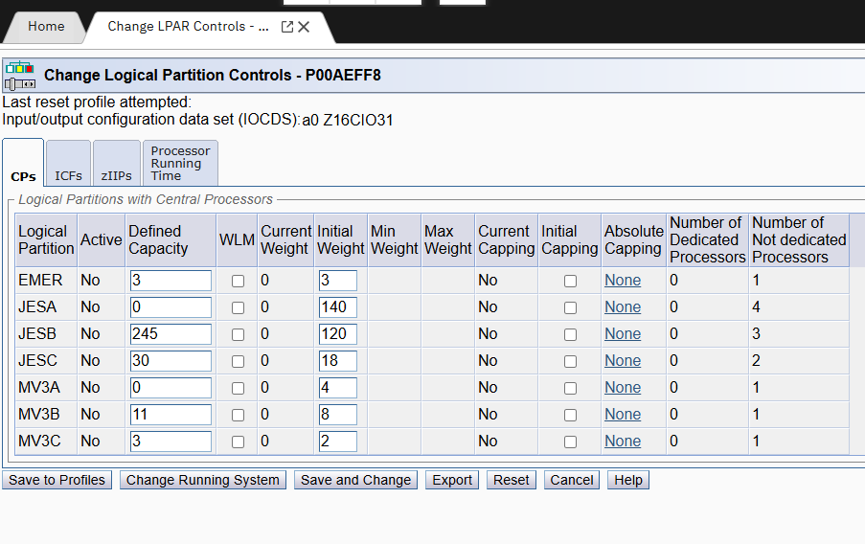
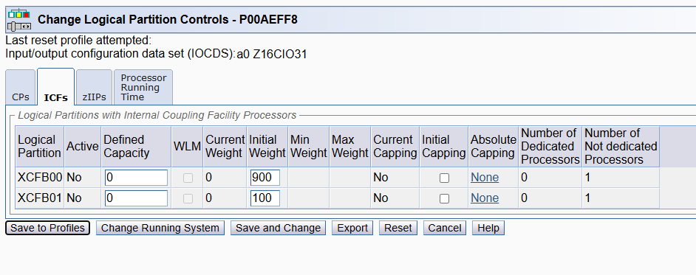
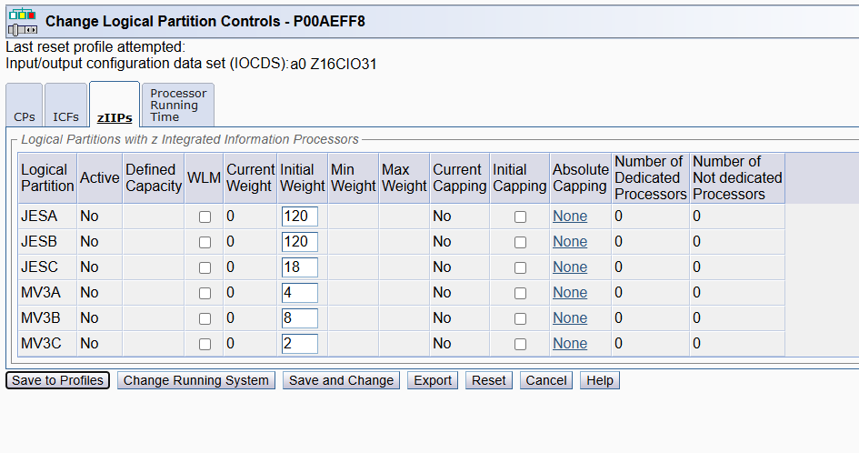
LPAR Group Controls
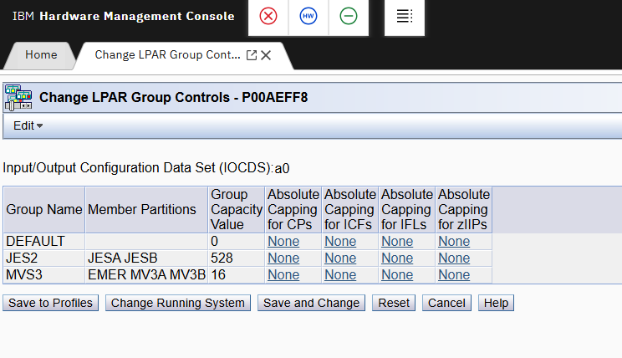

LPAR controls

